Sheet1
I'm Susan. Would you help me choose a pet? I love both cats and dogs equally
but I would like to spend as little money as possible each year. Compare these | Pet Adapting Cost
expenses in a spreadsheet and show me your answer. Create a graph.

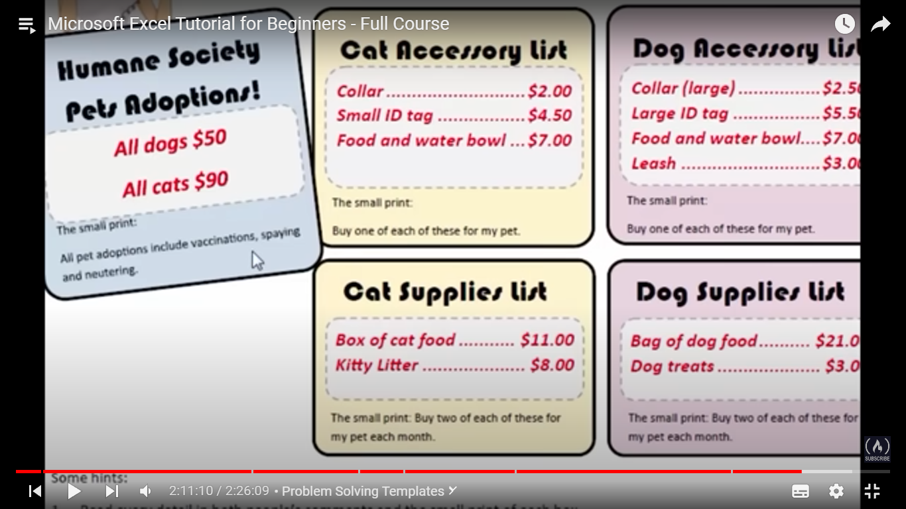
 |  |  | Accessory Price |  |  |  | Supplies Price |  | Adaption Cost
 |  |  | Collar | ID | Food and Water Bowl | Leash | Bag of food | Treats |  | Total
 |  | Cat | 2 | 4.5 | 7 | 0 | 11 | 8 | 90 | 122.5
 |  | Dog | 2.5 | 5.5 | 7 | 3 | 21 | 3 | 50 | 92

 |  |  | Susan Should buy Dog.

